Raised Bed Calculator
RAISED BEDS PER ACRE CALCULATOR
Actual Size of Raised Beds
(Enter Below) |  | (Enter Below)
Width (ft) |  | Length (ft) |  | Sq.ft.
2.5 | x | 100 | = | 250

Note:
For 30" beds, use 2.5 ft (30" ÷ 12") width
for 42" beds, use 3.5 ft (42" ÷ 12") width

Spacing Between Beds
(Enter Below) |  | (Enter Below)
Width (inches) |  | Length (inches)
9 |  | 9 |  |  | Example Diagram of Centered 30" Beds with 18" Spacing Between Beds

Adj Raised Bed Width |  | Adj Raised Bed Length |  | Adj Sq.ft. |  |  |  |  | 18" Spacing
3.25 | x | 100.75 | = | 327.4375
 |  |  |  |  |  |  |  | 9" |  |  |  | 9"
Acre (sq. ft.) |  | Adj Sq. ft. |  | Number of Beds |  |  | 2.5 ft wide |  |  |  | 2.5 ft wide
43,560 | ÷ | 327.4375 | = | 133.03 |  | 9" |  | 30" Bed | 9" | 9" |  | 30" Bed | 9"
 |  |  |  |  |  |  |  | 100 ft long |  |  |  | 100 ft long
Note: Spacing between beds should account for walk/drive areas specifically associated to a specific bed. Adjust area calculation according. See example diagram to right of calculator. → |  |  |  |  | 18" Spacing |  |  | 9" |  |  |  | 9" |  | 18" Spacing
 |  |  |  |  |  |  |  | 9" |  |  |  | 9"
 |  |  |  |  |  |  | 2.5 ft wide |  |  |  | 2.5 ft wide
Total Applied Acres Per Bed Crops |  |  |  |  |  | 9" |  | 30" Bed | 9" | 9" |  | 30" Bed | 9"
(Enter Below) |  |  |  |  |  |  |  | 100 ft long |  |  |  | 100 ft long
Number of Beds |  | Acre (per bed) |  | Total Applied Acres |  |  |  | 9" |  |  |  | 9"
133.03 | x | 0.00574 | = | 0.76 |  |  |  |  | 18" Spacing

Note: Applied acres only accounts for actual area managed for production purposes.
Note: If number of beds are known, enter "0" in Space Between Beds for width and length. Width and length of actual beds still needed for final conversion. |  |  |  |  |  | Area would be 9" Wide x 9" Length

Total Costs (Crop 2)
 | Soybeans
Seed | 0
Fertilizer | 0
Crop Chemicals | 0
Herbicides | 0
Fungicides | 0
Insecticides | 0
Crop Insurance | 0
Crop Miscellaneous | 0
Supplies | 0
Gas/Fuel | 0
Equipment Fuel | 0
Drying Propane | 0
Repairs & Maintenance | 0
Repair, Machinery | 0
Repair, Buildings | 0
Custom Hire | 0
Driver & Equipment Hire | 0
Equipment Hire | 0
Custom Application | 0
Freight & Trucking | 0
Storage | 0
Utilities | 0
Irrigation | 0
Repairs | 0
Fuel/Electricity | 0
Marketing | 0
Hired Labor | 0
Interest (Operating) | 0
Other (variable) | 0
Farm Insurance | 0
Real Estate Taxes | 0
Land Rent | 0
Depreciation (Economic ) | 0
Other (fixed) | 0
Other (variable & fixed) | 0
Income Taxes | 0
Owner Withdrawal | 0
Interest (Oper & Term) | 0
Interest (Term) | 0
Principal Payment | 0

Total Costs (Crop 3)
 | Wheat
Seed | 0
Fertilizer | 0
Crop Chemicals | 0
Herbicides | 0
Fungicides | 0
Insecticides | 0
Crop Insurance | 0
Crop Miscellaneous | 0
Supplies | 0
Gas/Fuel | 0
Equipment Fuel | 0
Drying Propane | 0
Repairs & Maintenance | 0
Repair, Machinery | 0
Repair, Buildings | 0
Custom Hire | 0
Driver & Equipment Hire | 0
Equipment Hire | 0
Custom Application | 0
Freight & Trucking | 0
Storage | 0
Utilities | 0
Irrigation | 0
Repairs | 0
Fuel/Electricity | 0
Marketing | 0
Hired Labor | 0
Interest (Operating) | 0
Other (variable) | 0
Farm Insurance | 0
Real Estate Taxes | 0
Land Rent | 0
Depreciation (Economic ) | 0
Other (fixed) | 0
Other (variable & fixed) | 0
Income Taxes | 0
Owner Withdrawal | 0
Interest (Oper & Term) | 0
Interest (Term) | 0
Principal Payment | 0

Optimization
Optimizing Profitability
 |  | Budget Acres | Acres | Revenue Per Acre | Total Direct & Overhead Cost | Profit Per Acre
 |  |  | (Enter Below)
 | Enter Crop Name | 0 | 224 | $0.00 | $0.00 | $0.00
 | Enter Crop Name | 0 | 244 | $0.00 | $0.00 | $0.00
 | Enter Crop Name | 0 | 218 | $0.00 | $0.00 | $0.00

 |  |  |  | (Enter Below)
 | Minimum Costs to Cover | $0.00 | <= | $350,000.00 | ¬ Total Cost (goal)
Minimum Acres | Enter Crop Name | 224 | >= | 50 | ¬ Minimum acres (goal)
Minimum Acres | Enter Crop Name | 244 | >= | 50 | ¬ Minimum acres (goal)
Minimum Acres | Enter Crop Name | 218 | >= | 50 | ¬ Minimum acres (goal)
 | Acres | 686 | = | 686 | ¬ Maximum acres allowed

 | Maximized Revenue | $0 | ¬ Use Solver Function

 | Optimization Instructions
 | 1. Enter the acres for consideration in the Optimizer in column D. The acres already on the Crop Budget (Main) tab have been provided for comparison.
 | 2. Note the revenue per are is provided from the Crop Budget (Main) tab for all crops in column G.
 | 3. Enter the minimum goal of acres for each crop in column E.
 | 4. Enter the total acres to be planted across all crops in column E.
 | 5. Click on the Maximized Revenue cell in C15 and run the Solver tool (click on Data on the top toolbar). Solver is pre-programmed, but can be reset using the photo below:
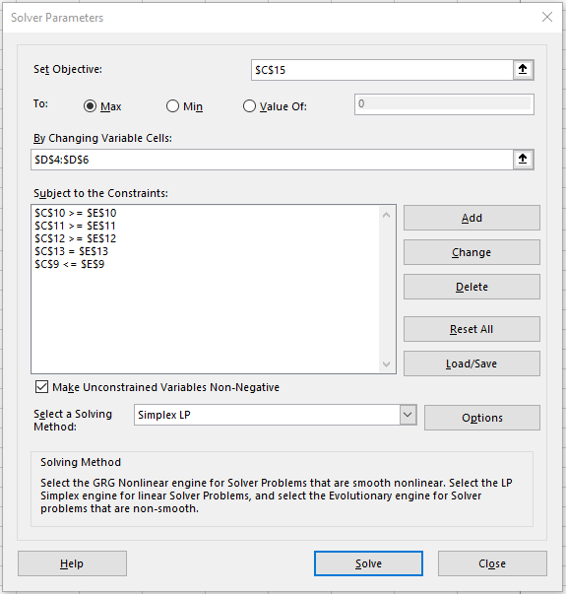

 | 6. After running Solver, the acres will be re-adjusted to maximize the revenue of the combined crops.

